XY Scatter
Distance | Amount Spent
1 | 35
1 | 13
2 | 40
4 | 20
4 | 15
5 | 35
10 | 35
20 | 50
20 | 25
22 | 40
45 | 35
50 | 75
50 | 125
50 | 67
75 | 99
75 | 149
75 | 110
75 | 120
85 | 130
87 | 75
99 | 101
100 | 200
125 | 125
130 | 220
145 | 150
152 | 195

LogScale
Examples

Sample | Distance
1 | 2.92E+04
2 | 9.76E+08
3 | 1.45E+13
4 | 7.40E+06
5 | 9.71E+08
6 | 9.02E+15

Trendline
Distance | Amount Spent
1 | 35
1 | 13
2 | 40
4 | 20
4 | 15
5 | 35
10 | 35
20 | 50
20 | 25
22 | 40
45 | 35
50 | 75
50 | 125
50 | 67
75 | 99
75 | 149
75 | 110
75 | 120
85 | 130
87 | 75
99 | 101
100 | 200
125 | 125
130 | 220
145 | 150
152 | 195

Normal
Mean | 100 | 100 | Probability of exactly 84 | 0.015057521831 | 71% of values below | 108.30077079
Standard Deviation | 15 |  | Probability of 84 or less | 0.1430611922 | 85% of values below | 115.54650084
Normal Curve m = 100, s = 15
36 | 2.9632884113E-06
38 | 5.187747532E-06
40 | 8.922015051E-06
42 | 1.507392256E-05
44 | 2.5018934915E-05
46 | 4.0793462008E-05
48 | 6.5341864085E-05
50 | 0.00010281859975
52 | 0.00015893921343
54 | 0.0002413624152
56 | 0.00036007041208
58 | 0.0005276967722
60 | 0.00075973240159
62 | 0.0010745238742
64 | 0.0014929686863
66 | 0.0020378139819
68 | 0.0027324837363
70 | 0.0035993977675
72 | 0.0046578050714
74 | 0.0059212307394
76 | 0.007394722312
78 | 0.0090721654942
80 | 0.010934004978
82 | 0.012945736999
84 | 0.015057521831
86 | 0.017205188394
88 | 0.019312770184
90 | 0.021296533701
92 | 0.023070259545
94 | 0.024551342687
96 | 0.025667124973
98 | 0.026360789392
100 | 0.026596152027
102 | 0.026360789392
104 | 0.025667124973
106 | 0.024551342687
108 | 0.023070259545
110 | 0.021296533701
112 | 0.019312770184
114 | 0.017205188394
116 | 0.015057521831
118 | 0.012945736999
120 | 0.010934004978
122 | 0.0090721654942
124 | 0.007394722312
126 | 0.0059212307394
128 | 0.0046578050714
130 | 0.0035993977675
132 | 0.0027324837363
134 | 0.0020378139819
136 | 0.0014929686863
138 | 0.0010745238742
140 | 0.00075973240159
142 | 0.0005276967722
144 | 0.00036007041208
146 | 0.0002413624152
148 | 0.00015893921343
150 | 0.00010281859975
152 | 6.5341864085E-05
154 | 4.0793462008E-05
156 | 2.5018934915E-05
158 | 1.507392256E-05
160 | 8.922015051E-06
162 | 5.187747532E-06
164 | 2.9632884113E-06

Exponential
Seconds | Probability | Probability (Acc) | Average | 50
1 | 0.019603973466 | 0.019992159948
2 | 0.019215788783 | 0.019992315161 | Between 10 and 15
3 | 0.018835290672 | 0.019992467303
4 | 0.018462326928 | 0.019992616432
5 | 0.018096748361 | 0.01999276261
6 | 0.017738408734 | 0.019992905895
7 | 0.017387164708 | 0.019993046343
8 | 0.017042875779 | 0.019993184011
9 | 0.016705404228 | 0.019993318954
10 | 0.016374615062 | 0.019993451226
11 | 0.016050375959 | 0.01999358088
12 | 0.015732557221 | 0.019993707967
13 | 0.015421031716 | 0.019993832538
14 | 0.015115674829 | 0.019993954644
15 | 0.014816364414 | 0.019994074332
16 | 0.014522980741 | 0.019994191651
17 | 0.014235406455 | 0.019994306648
18 | 0.013953526521 | 0.019994419368
19 | 0.013677228184 | 0.019994529857
20 | 0.013406400921 | 0.019994638158
21 | 0.013140936396 | 0.019994744316
22 | 0.012880728422 | 0.019994848372
23 | 0.01262567291 | 0.019994950368
24 | 0.012375667836 | 0.019995050345
25 | 0.012130613194 | 0.019995148343
26 | 0.011890410959 | 0.019995244401
27 | 0.011654965047 | 0.019995338557
28 | 0.011424181277 | 0.019995430849
29 | 0.011197967331 | 0.019995521315
30 | 0.010976232722 | 0.019995609989
31 | 0.010758888752 | 0.019995696907
32 | 0.010545848481 | 0.019995782105
33 | 0.01033702669 | 0.019995865617
34 | 0.010132339847 | 0.019995947475
35 | 0.0099317060758 | 0.019996027712
36 | 0.0097350451192 | 0.019996106361
37 | 0.0095422783104 | 0.019996183453
38 | 0.0093533285402 | 0.019996259019
39 | 0.0091681202261 | 0.019996333088
40 | 0.0089865792823 | 0.019996405691
41 | 0.0088086330901 | 0.019996476857
42 | 0.0086342104686 | 0.019996546614
43 | 0.0084632416464 | 0.01999661499
44 | 0.0082956582336 | 0.019996682012
45 | 0.0081313931948 | 0.019996747707
46 | 0.0079703808217 | 0.019996812102
47 | 0.0078125567072 | 0.019996875221
48 | 0.0076578577195 | 0.019996937091
49 | 0.007506221977 | 0.019996997737
50 | 0.0073575888234 | 0.019997057181
51 | 0.0072118988035 | 0.019997115449
52 | 0.0070690936392 | 0.019997172562
53 | 0.0069291162066 | 0.019997228546
54 | 0.0067919105129 | 0.01999728342
55 | 0.006657421674 | 0.019997337209
56 | 0.0065255958925 | 0.019997389932
57 | 0.0063963804363 | 0.019997441611
58 | 0.0062697236177 | 0.019997492268
59 | 0.006145574772 | 0.019997541921
60 | 0.0060238842382 | 0.019997590591
61 | 0.0059046033385 | 0.019997638298
62 | 0.0057876843588 | 0.01999768506
63 | 0.00567308053 | 0.019997730897
64 | 0.0055607460091 | 0.019997775825
65 | 0.0054506358607 | 0.019997819864
66 | 0.0053427060393 | 0.019997863032
67 | 0.0052369133716 | 0.019997905344
68 | 0.0051332155391 | 0.019997946819
69 | 0.0050315710612 | 0.019997987473
70 | 0.0049319392788 | 0.019998027322
71 | 0.0048342803379 | 0.019998066381
72 | 0.0047385551736 | 0.019998104668
73 | 0.0046447254946 | 0.019998142196
74 | 0.0045527537677 | 0.019998178981
75 | 0.004462603203 | 0.019998215038
76 | 0.004374237739 | 0.019998250381
77 | 0.0042876220285 | 0.019998285025
78 | 0.004202721424 | 0.019998318982
79 | 0.0041195019641 | 0.019998352267
80 | 0.0040379303599 | 0.019998384893
81 | 0.0039579739817 | 0.019998416873
82 | 0.0038796008458 | 0.01999844822
83 | 0.003802779602 | 0.019998478946
84 | 0.0037274795208 | 0.019998509064
85 | 0.0036536704811 | 0.019998538585
86 | 0.0035813229582 | 0.019998567522
87 | 0.0035104080123 | 0.019998595886
88 | 0.0034408972765 | 0.019998623688
89 | 0.0033727629454 | 0.01999865094
90 | 0.0033059777644 | 0.019998677653
91 | 0.0032405150187 | 0.019998703836
92 | 0.0031763485221 | 0.019998729501
93 | 0.0031134526074 | 0.019998754658
94 | 0.0030518021151 | 0.019998779316
95 | 0.0029913723845 | 0.019998803487
96 | 0.0029321392426 | 0.019998827179
97 | 0.0028740789956 | 0.019998850401
98 | 0.0028171684184 | 0.019998873164
99 | 0.0027613847462 | 0.019998895477
100 | 0.0027067056647 | 0.019998917347
101 | 0.0026531093016 | 0.019998938784
102 | 0.0026005742176 | 0.019998959797
103 | 0.0025490793979 | 0.019998980394
104 | 0.002498604244 | 0.019999000583
105 | 0.0024491285651 | 0.019999020373
106 | 0.0024006325702 | 0.01999903977
107 | 0.0023530968604 | 0.019999058783
108 | 0.0023065024208 | 0.01999907742
109 | 0.0022608306128 | 0.019999095688
110 | 0.0022160631672 | 0.019999113594
111 | 0.0021721821765 | 0.019999131146
112 | 0.0021291700876 | 0.01999914835
113 | 0.0020870096951 | 0.019999165214
114 | 0.0020456841343 | 0.019999181743
115 | 0.0020051768745 | 0.019999197945
116 | 0.0019654717121 | 0.019999213827
117 | 0.0019265527646 | 0.019999229394
118 | 0.0018884044639 | 0.019999244652
119 | 0.0018510115502 | 0.019999259609
120 | 0.0018143590658 | 0.01999927427
121 | 0.0017784323492 | 0.01999928864
122 | 0.0017432170292 | 0.019999302725
123 | 0.0017086990193 | 0.019999316532
124 | 0.0016748645118 | 0.019999330065
125 | 0.0016416999725 | 0.019999343331
126 | 0.001609192135 | 0.019999356334
127 | 0.0015773279958 | 0.019999369079
128 | 0.0015460948089 | 0.019999381572
129 | 0.0015154800805 | 0.019999393817
130 | 0.0014854715643 | 0.01999940582
131 | 0.0014560572565 | 0.019999417586
132 | 0.0014272253911 | 0.019999429118
133 | 0.0013989644349 | 0.019999440422
134 | 0.0013712630831 | 0.019999451502
135 | 0.0013441102548 | 0.019999462363
136 | 0.0013174950885 | 0.019999473009
137 | 0.0012914069379 | 0.019999483444
138 | 0.0012658353672 | 0.019999493672
139 | 0.0012407701475 | 0.019999503698
140 | 0.0012162012525 | 0.019999513525
141 | 0.0011921188542 | 0.019999523158
142 | 0.0011685133193 | 0.0199995326
143 | 0.0011453752053 | 0.019999541855
144 | 0.0011226952567 | 0.019999550927
145 | 0.0011004644011 | 0.019999559819
146 | 0.001078673746 | 0.019999568535
147 | 0.0010573145748 | 0.019999577079
148 | 0.0010363783435 | 0.019999585453
149 | 0.0010158566773 | 0.019999593661
150 | 0.00099574136736 | 0.019999601707

SingleCorrelation
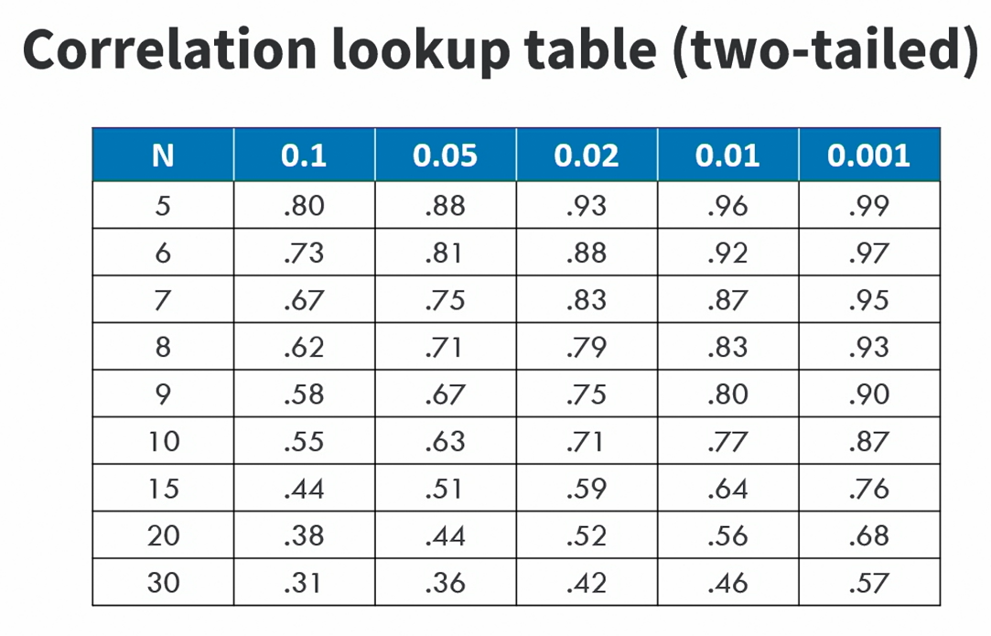
Correlation coefficient is a measure of the association between two variables.
Column1 | Column2 | Correlation Formula
1 | 3 | FALSE
4 | 5
7 | 8
2 | 4
3 | 9
5 | 6
8 | 8
1 | 4
6 | 4
9 | 6

